RNA datasets
Saccharomyces cerevisiae (S51)
Source paper | Zhu, X.; He, J.; Zhao, S.; Tao, W.; Xiong, Y.; Bi, S. A comprehensive comparison and analysis of computational predictors for RNA N6-methyladenosine sites of Saccharomyces cerevisiae. B
Download link | https://github.com/abdul-bioinfo/iMethyl-deep
Organism | Saccharomyces cerevisiae
Level | RNA
Length | 51 bp
Positive data | 3270
Negative data | 3270
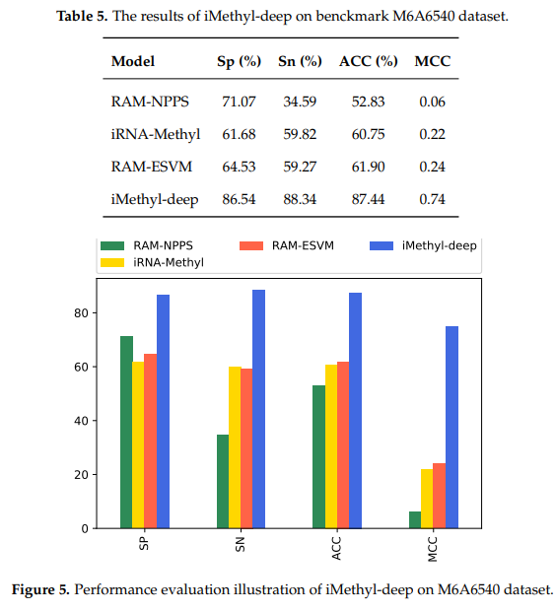
DL paper used this data | P6 | iMethyl-Deep | 2020-05-09 | P6
 | P8 | m6A-NeuralTool | 2021-01-01
 | P20 | bCNN-Methylpred | 2021-07-28

 |  |  |  | P8
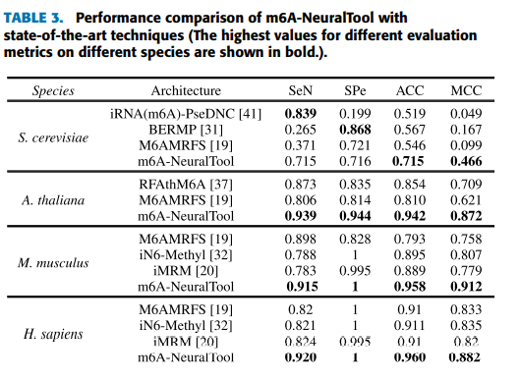

 |  |  |  | P20

Homo sapiens (H41)
Source paper | W. Chen, H. Tang and H. Lin, "MethyRNA: A Web server for identification of N⁶-methyladenosine sites", J. Biomol. Struct. Dyn., vol. 35, no. 3, pp. 683-687, Feb. 2017.
Download link | http://lin.uestc.edu.cn/server/Methy/data.
Organism | Homo sapiens
Level | RNA
Length | 41 bp
Positive data | 1130
Negative data | 1130
DL paper used this data | P1 | iN6-Methyl | 2019-07-26 |  | P1 |  | It can be observed that H41 and M41 have AUC of 90.30% and 91.33%, receptively. while the AUC of S51 is 80.31%.
 | P3 | pm6A-CNN | 2020-07-17
 | P8 | m6A-NeuralTool | 2021-01-01
 | P20 | bCNN-Methylpred | 2021-07-28

 |  |  |  |  | P3
 |  |  |  |  |  |  |  | AUC (H.sapiens 0.96, M.musculus 0.97, S.cerevisiae 0.92, A.thanliana 0.97

 |  |  |  |  | P8
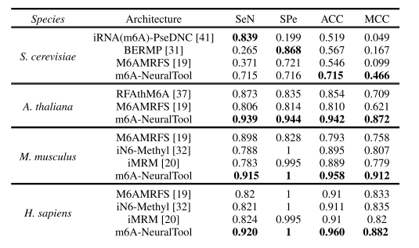

 |  |  |  |  | P20

Mus musculus (M41)
Source paper | D. Dominissini, S. Moshitch-Moshkovitz, S. Schwartz, M. Salmon-Divon, L. Ungar, S. Osenberg, et al., "Topology of the human and mouse m⁶A RNA methylomes revealed by m⁶A-seq", Nature, vol. 485, no. 7397, pp. 201-206, 2012.
Download link | None
Organism | Mus musculus
Level | RNA
Length | 41 bp
Positive data | 725
Negative data | 725
DL paper used this data | P1 | iN6-Methyl | 2019-07-26 |  | P1
 | P3 | pm6A-CNN | 2020-07-17 |  |  |  |  | It can be observed that H41 and M41 have AUC of 90.30% and 91.33%, receptively. while the AUC of S51 is 80.31%.
 | P8 | m6A-NeuralTool | 2021-01-01
 | P20 | bCNN-Methylpred | 2021-07-28

 |  |  |  |  | P3
 |  |  |  |  |  |  |  | AUC (H.sapiens 0.96, M.musculus 0.97, S.cerevisiae 0.92, A.thanliana 0.97

 |  |  |  |  | P8

 |  |  |  |  | P20

A. thaliana (A101)
Source paper | X. Wang and R. Yan, "RFAthM6A: A new tool for predicting m6A sites in arabidopsis thaliana", Plant Mol. Biol., vol. 96, no. 3, pp. 327-337, Feb. 2018.
Download link | nongdaxiaofeng/RFAthM6A (github.com)
Organism | A. thaliana
Level | RNA
Length | 101 bp
Positive data | 2100
Negative data | 2100
DL paper used this data | P3 | pm6A-CNN | 2020-07-17 |  |  | P3
 | P8 | m6A-NeuralTool | 2021-01-01 |  |  |  |  |  | AUC (H.sapiens 0.96, M.musculus 0.97, S.cerevisiae 0.92, A.thanliana 0.97
 | P20 | bCNN-Methylpred | 2021-07-28

 |  |  |  |  |  | P8

 |  |  |  |  |  | P20

